Mid Pay Worksheet
Mid-Pay-Period Reallocation Worksheet | (See sample worksheet - tab 2 and sample FCF - tab 3)

Fill in yellow highlighted fields
Adjusted Allocation in blue- Enter on FCF

Name
G#
Pay Period Dates: Full Period*
Pay Period #
Per Pay Period Salary
Numbers must match
Number of Work Days in Pay Period**
Check - must match number above (B11) | 0

 |  | *** Add Activity Code after ORG if reporting Cost Share |  |  |  |  |  |  |  |  |  |  |  |  |  | Totals
 |  | Fund/ORG # |  | Fund/ORG # |  | Fund/ORG # |  | Fund/ORG # |  | Fund/ORG # |  | Fund/ORG # |  | Fund/ORG # |  | DFCF % | ADJ %
1st Partial Period Dates |  | DFCF % | ADJ % | DFCF % | ADJ % | DFCF % | ADJ % | DFCF | ADJ | DFCF% | ADJ% | DFCF% | ADJ% | DFCF% | ADJ%
Number of Work Days (Including Holidays)**
% of Pay Period | #DIV/0! |  | #DIV/0! |  | #DIV/0! |  | #DIV/0! |  | #DIV/0! |  | #DIV/0! |  | #DIV/0! |  | #DIV/0! | 0.00% | #DIV/0!

2nd Partial Period Dates
Number of Work Days (Including Holidays)**
% of Pay Period | #DIV/0! |  | #DIV/0! |  | #DIV/0! |  | #DIV/0! |  | #DIV/0! |  | #DIV/0! |  | #DIV/0! |  | #DIV/0! | 0.00% | #DIV/0!

Adjusted Allocation (Enter on FCF) |  |  | #DIV/0! |  | #DIV/0! |  | #DIV/0! |  | #DIV/0! |  | #DIV/0! |  | #DIV/0! |  | #DIV/0! | #DIV/0! | #DIV/0!
$ Amount |  |  | #DIV/0! |  | #DIV/0! |  | #DIV/0! |  | #DIV/0! |  | #DIV/0! |  | #DIV/0! |  | #DIV/0! | Both must equal 100%

 |  | *****The Highlighted BLUE % at Bottom is the New % for the Adjusted Allocation that is entered on the FCF*****
* Only one pay period per worksheet

** Count M-F days during the selected pay period. Include holidays.

*** Add Activity Code if reporting Cost Share

Sample Mid-Pay
This worksheet is for reallocations, not future funding, when the start and/or end date of a sponsored award is not the start and/or end date of Mason's pay periods. Ex. Each year the sponsor issues a new award. Award Year 1 Ends on 8/31/18. Award 2 begins on 9/1/18. A second FCF will need to be completed for the start date of 9/10/18. This form is used for "one" pay period only.

Mid-Pay Period Reallocation Worksheet
Fill in yellow highlighted fields
Adjusted Allocation in blue- Entered on FCF

Name | Jane Doe
G# | G12345678
Pay Period Dates: Full Period * | 8/25/18-9/9/18
Pay Period # | 17
Per Pay Period Salary | $6,388.89
Numbers must match
Number of Work Days in Pay Period ** | 10 |  |  | *** Activity Code |  |  |  | *** Activity Code
Check - must match number in cell above (B11) | 10

 |  | Fund/ORG # 204803 |  | Fund/ORG # 188555/004803 |  | Fund/ORG # 188555 |  | Fund/ORG # 188555/004950 |  | Fund/ORG # 204950 |  | Fund/ORG # |  | Fund/ORG #
1st Partial Period Dates | 8/25/18-8/31/18 | DFCF % | ADJ % | DFCF % | ADJ % | DFCF % | ADJ % | DFCF | ADJ | DFCF% | ADJ% | DFCF% | ADJ% | DFCF% | ADJ%
Number of Work Days (Including Holidays) ** | 5
% of Pay Period | 50.00% | 65.00% | 32.50% | 10.00% | 5.00% | 25.00% | 12.50% |  | 0.00% |  | 0.00% |  | 0.00% |  | 0.00%

2nd Partial Period Dates | 9/1/18-9/9/18
Number of Work Days (Including Holidays) ** | 5
% of Pay Period | 50.00% |  | 0.00% |  | 0.00% | 25.00% | 12.50% | 10.00% | 5.00% | 65.00% | 32.50% |  | 0.00% |  | 0.00%

Adjusted Allocation (Enter on FCF) |  |  | 32.50% |  | 5.00% |  | 25.00% |  | 5.00% |  | 32.50% |  | 0.00% |  | 0.00%
$ Amount (will automatically populate) |  |  | $2,076.39 |  | $319.44 |  | $1,597.22 |  | $319.44 |  | $2,076.39 |  | $- |  | $-

 | *****The Highlighted BLUE % at Bottom is the New % for the Adjusted Allocation that is put on FCF*****
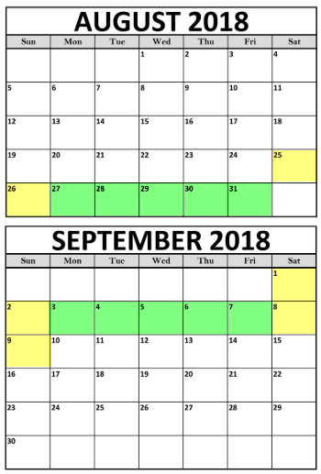
* Only one pay period per worksheet

** Count M-F days during the selected pay period. Include holidays.

*** Add Activity Code if reporting Cost Share

Sample FCF
